AXIS112
AXIS112 | Axis Fixed Term Plan - Series 112 (1143 Days)

 | Monthly Portfolio Statement as on October 31, 2025
 | Name of the Instrument | ISIN | Industry / Rating | Quantity | Market/Fair Value (Rs. in Lakhs) | % to Net Assets | YTM~ | YTC^ | null
 | Debt Instruments
 | (a) Listed / awaiting listing on Stock Exchange
GOI4656 | 7.40% Government of India (19/03/2026) | IN000326C040 | Sovereign | 4,726,000 | 4,627.17 | 57.04% | 5.65%
GOI4747 | 7.36% Government of India (12/03/2026) | IN000326C057 | Sovereign | 3,532,800 | 3,462.73 | 42.69% | 5.64%
 | Sub Total |  |  |  | 8,089.90 | 99.73%
 | (b) Privately placed / Unlisted |  |  |  | NIL | NIL
 | Sub Total |  |  |  | NIL | NIL
 | Total |  |  |  | 8,089.90 | 99.73%
 | Reverse Repo / TREPS
TRP_031125 | Clearing Corporation of India Ltd |  |  |  | 1.35 | 0.02% | 5.56%
 | Sub Total |  |  |  | 1.35 | 0.02%
 | (b) Privately placed / Unlisted |  |  |  | NIL | NIL
 | Sub Total |  |  |  | NIL | NIL
 | Total |  |  |  | 1.35 | 0.02%
 | Net Receivables / (Payables) |  |  |  | 20.55 | 0.25%
 | GRAND TOTAL |  |  |  | 8,111.80 | 100.00%

 | ~ YTM as on October 31, 2025
 | ^ YTC represents Yield to Call provided by valuation agencies as on October 31, 2025. It is disclosed for Perpetual Bond issued by Banks (i.e. AT-1 Bond / Tier 1 Bond / Tier 2 Bond), as per AMFI Best Practices Guidelines Circular no. 135/BP/91/2020-21 read with SEBI circular No. SEBI/HO/IMD/DF4/CIR/P/2021/034 on Valuation of AT-1 Bonds and Tier 2 Bonds.
 | As per SEBI Circular no. SEBI/HO/IMD/PoD1/CIR/P/2024/106 dated August 05, 2024, valuation of AT-1 Bonds are done on Yield to Call basis w.e.f. August 07, 2024. YTC of AT-1 Bonds are now same as it’s YTM and hence it is not disclosed separately under YTC.

 |  | Benchmark Name - CRISIL MEDIUM TERM DEBT INDEX
 | Scheme Risk-O-Meter | Benchmark Risk-O-Meter
 | 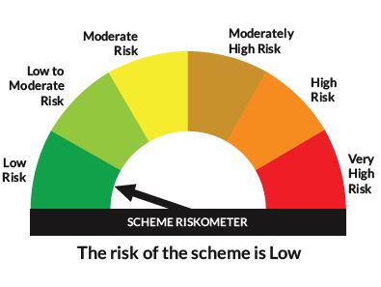 | 

